Version of the fee list
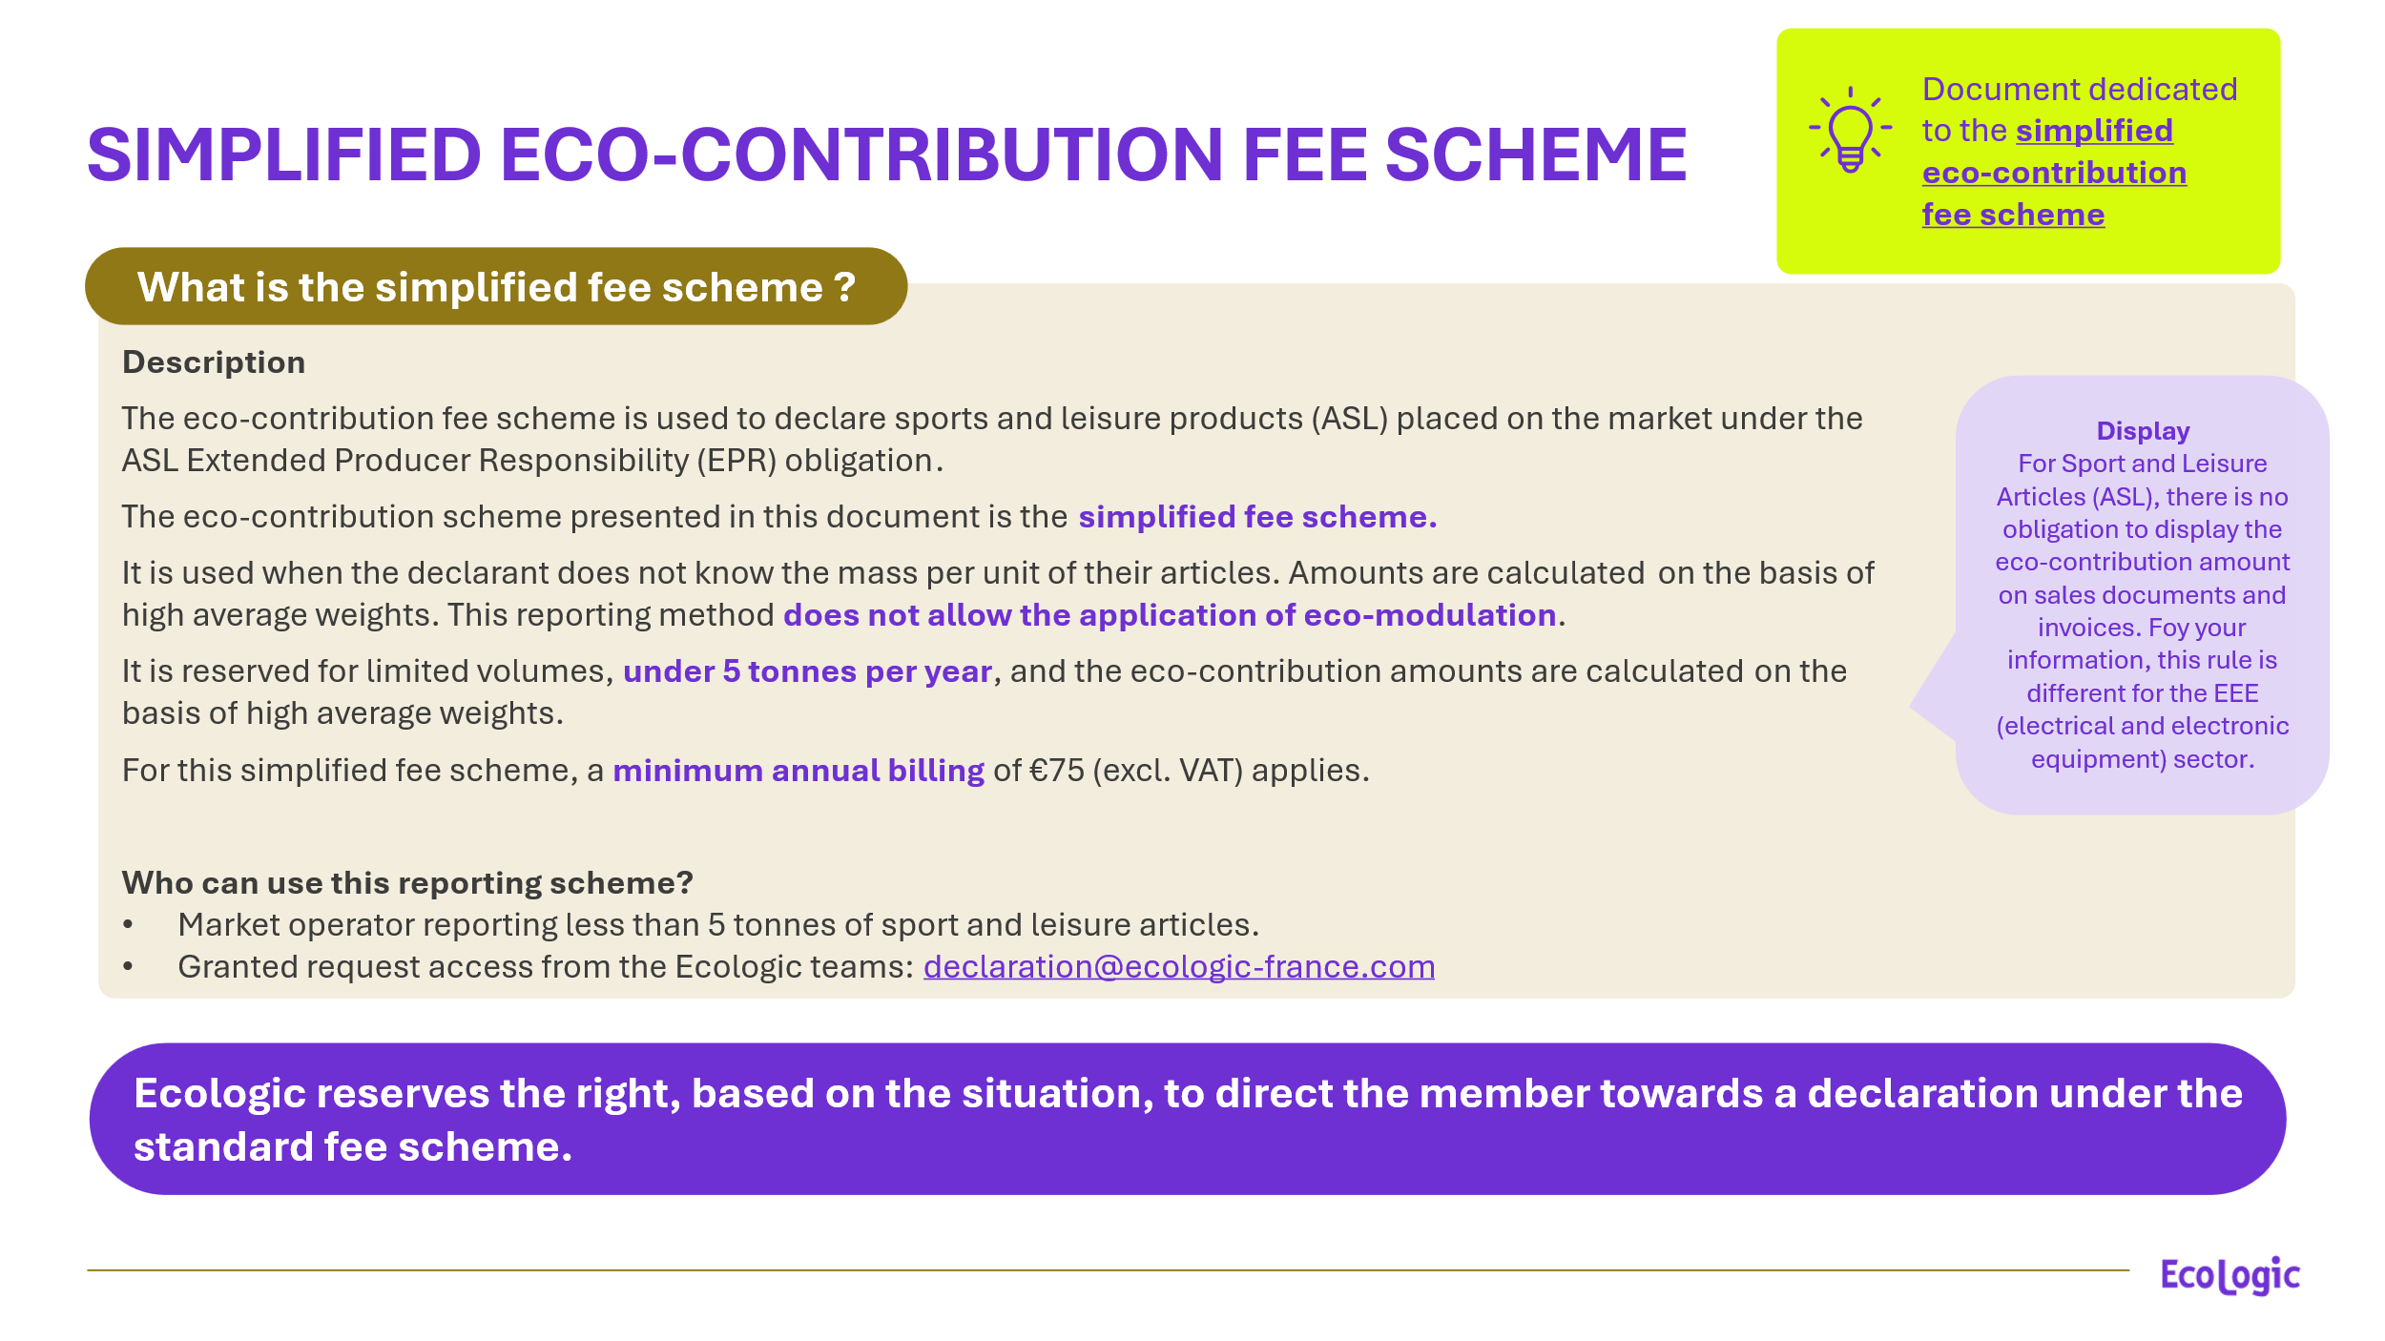
Version & objective of the document

 | Version & applicability

 | Version: | Version 1.0 - of the 27 July 2026

 | Application date: | Fee codes and rates of the simplified fee scheme for Sport and Leisure Articles (ASL), applicable from January 1st, 2027, for products placed on the market of the year 2027

 | Version | Description of updates
 | Version 1.0 - 27 July 2026 | Creation of the file and the 2027 simplified fee scheme codes

 | Purpose of the document

 | Objective
 | Provide in advance the new eco-fee codes for the 2027 simplified declaration scheme. These new codes will have to be used in 2028 for the declaration of products placed into the market in 2027

